1. Title Page
Project Name: Instacart Grocery Basket Analysis
Date: 20-Sep-2023
Analyst Name: Apinya Boonlaksakul

Contents:
Population Flow
Consistency checks
Wrangling steps
Column derivations
Visualizations
Recommendations

2. Population Flow
Title page

Population flow

Exclusion flag
Condition: max_order < 5
Observations to be removed: 1,440,295 rows
Final total count of order_products_all: 32,404,859 rows

Orders
Orders_products_prior
Products
Customers
Departments

Total:
3,421,083 rows x 7 columns
Total:
32,434,489 rows x 4 columns
Total:
49,693 rows x 5 columns
Total:
206,209 rows x 10 columns
Total:
1 row x 22 columns

Orders_wrangled
Orders_products_prior
Products_wrangled
Customers
Departments_wrangled

Total:
3,421,083 rows x 6 columns
Total:
32,434,489 rows x 4 columns
Total:
49,672 rows x 5 columns
Total:
206,209 rows x 10 columns
Total:
21 rows x 2 columns

Orders_products_combined
Orders_products_merged
Orders_products_all

Total:
32,434,489 rows x 10 columns
Total:
32,404,859 rows x 14 columns
Total:
32,404,859 rows x 36 columns

1.) The grey boxes in the first row of the population flow represent the original data sets as they were when you downloaded them. In the Total fields you need to add the count of the rows when you imported the data set into Jupyter.
2.) The second row of boxes (coloured) represents the data sets after you manipulated them, e.g., removed missing values and duplicates. In the Total fields you need to add the count of the rows after conducting these operations. This offers a visual oveview of how the data flows throughout the data consistency checks.
3.) The third row, where also the arrows are coloured, represents the merges you performed between the datasets. In the Total fields you need to add the count of the rows in the merged datasets, so that you end up with the final dataset (in the red box). Keep in mind the final dataset should be without exclusions (based on the exclusion flag).

3. Consistency checks
 |  |  |  | Title page
Consistency checks

Dataset | Missing values | Missing values treatment | Duplicates
orders | The "days_since_prior_order" column contains 206,209 missing values. | No action, since there are the 1st order of each user. | No duplicates found.
products | The 'product_name' column contains 16 missing values. | Drop all the 16 rows | There are 5 duplucate rows, dropped all.
products | The 'prices' column has the outlier values '99999' 4429 rows and '14900' 698 rows. | Turn the values to NaN
orders_products_prior | No missing values found. |  | No duplicates found.
customers | The 'first_name' column contains 11259 missing values. | No action, retain the data | No duplicates found.
departments | No missing values found. |  | No duplicates found.

4. Wrangling steps
 |  |  |  | Title page
Wrangling steps

Columns dropped | Columns renamed | Columns' type changed | Comment/Reason
'eval_set' |  |  | Unnecessary column
'first_name' |  |  | PII
'last_name' |  |  | PII
 | 'order_dow' to 'orders_day_of_week' |  | Improved clarity
 | 'price_range_loc' to 'price_label' |  | Enhancing readability
 | 'First Name' to 'first_name' |  | Consistency
 | 'Surnam' to 'last_name' |  | Consistency
 | 'Gender' to 'gender' |  | Consistency
 | 'STATE' to 'state' |  | Consistency
 | 'Age' to 'age' |  | Consistency
 | 'fam_status' to 'status' |  | Consistency
 |  | 'user_id' and 'order_id' to string | Identifier variable
 |  | 'first_name' to string | Mixed type data

5. Column derivations
 |  |  |  | Title page

Column derivations and aggregations

In this tab you should add tables below that the frequences of flags/label variables that you produced after deriving them. NB: don't do this for continuous variables, only for flags.
Dataset | New column | Column/s it was derived from | Conditions
orders_products_label.pkl | price_label | prices | If 'prices' > 15 then 'hight-range product' If 'prices' <=15 & >5 then 'mid-range product' If 'prices'<= 5 then 'low-range product'
orders_products_label.pkl | busiest_day | orders_day_of_week | If 'orders_day_of_week' = 0 then 'Busiest day' If 'orders_day_of_week' = 4 then 'Least busy' If 'orders_day_of_week' = neither 0 nor 4 then 'Regularly busy'
orders_products_label.pkl | busiest_days | orders_day_of_week | If 'orders_day_of_week' = 0,1 then 'busiest days' If 'orders_day_of_week' = 3,4 then 'slowest days' If 'orders_day_of_week' is any other value then 'regularly busy'
orders_products_label.pkl | busiest_period_of_day | order_hour_of_day | If 'order_hour_of_day = 10,11,12,13,14,15,16 then 'Most orders' If 'order_hour_of_day = 8,9,17,18,19 then 'Average orders' If 'order_hour_of_day is any other value then 'Fewest orders'
orders_products_flag.pkl | max_order | order_number | transform the maximum of 'order_number' column by grouping 'user_id' column
orders_products_flag.pkl | loyalty_flag | max_order | If 'max_order' > 40 then 'Loyal customer' If 'max_order' <= 40 & > 10 then 'Regular customer' If 'max_order' <= 10 then 'New customer'
orders_products_flag.pkl | avg_spent | prices | transform the mean of 'prices' column by grouping 'user_id' column
orders_products_flag.pkl | spending_flag | avg_spent | If 'avg_spent' < 10 then 'Low spender' If 'avg_spent'>= 10 then 'High spender'
orders_products_flag.pkl | median_prior_order | days_since_prior_order | transform the median of 'days_since_prior_order' column by grouping 'user_id' column
orders_products_flag.pkl | order_frequency_flag | median_prior_order | If 'median_prior_order' > 20 then 'Non-frequency customer' If 'median_prior_order' >10 & <= 20 then 'Regular customer' If 'median_prior_order' <= 10 then 'Frequency customer'
orders_products_customers_age_group.pkl | age_group | age | If 'age' < 18 then 'under18' If 'age' >= 18) & < 34 then '18-33' If 'age' >= 34) & < 50 then '34-49' If 'age' >= 50) & < 66 then '50-65' If 'age' >= 66) & < 82 then '66-81' If 'age' >= 82 then 'over82'
orders_products_customers_departments.pkl | region | state | If 'state'= 'Maine', 'New Hampshire', 'Vermont', 'Massachusetts', 'Rhode Island', 'Connecticut', 'New York', 'Pennsylvania', 'New Jersey' then 'Northeast' If 'state' = 'Wisconsin', 'Michigan', 'Illinois', 'Indiana', 'Ohio', 'North Dakota', 'South Dakota', 'Nebraska', 'Kansas', 'Minnesota', 'Iowa', 'Missouri' then 'Midwest' If 'state' = 'Delaware', 'Maryland', 'District of Columbia', 'Virginia', 'West Virginia', 'North Carolina', 'South Carolina', 'Georgia', 'Florida', 'Kentucky', 'Tennessee', 'Mississippi', 'Alabama', 'Oklahoma', 'Texas', 'Arkansas', 'Louisiana' then 'South' If 'state' = 'Idaho', 'Montana', 'Wyoming', 'Nevada', 'Utah', 'Colorado', 'Arizona', 'New Mexico', 'Alaska', 'Washington', 'Oregon', 'California', 'Hawaii' then 'West'
orders_products_all.pkl | customer_activity_flag | max_order | If 'max_order' >= 5 then 'high-activity customer' If 'max_order' < 5 then 'low-activity customer'
orders_products_all.pkl | income_range | income | If 'income' < 52200 then 'Low income' If 'income' >= 52200 & < 156600 then 'Middle income' If 'income' >= 156600 then 'High income' https://finance.yahoo.com/news/fall-americas-lower-middle-upper-133000384.html
orders_products_all.pkl | family_dependant_status | status and n_dependants | If 'status' = 'single','living with parents and siblings','divorced/widowed' & 'n_dependants' = 0 then 'single with no dependants' If 'status' = 'single','living with parents and siblings','divorced/widowed' & 'n_dependants' >= 1 then 'single with dependants' If 'status'= 'married' & 'n_dependants' = 1 then 'married with no dependants' If 'status'= 'married' & 'n_dependants' > 1 then 'married with dependants'

6. Visualizations
 |  | Title page

Visualisations

1. The sales team needs to know what the busiest days of the week and hours of the day are (i.e., the days and times with the most orders) in order to schedule ads at times when there are fewer orders.

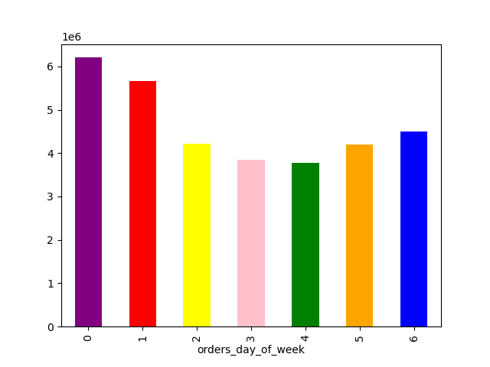


0 : Saturday
1 : Sunday
2 : Monday
3 : Tuesday
4 : Wednesday
5 : Thursday
6 : Friday

The busiest days of the week are Saturday and Sunday.
The least busy days are Tuesday and Wednesday.
Orders commence at 7 AM, reach their peak during the busiest hours at 10 AM, and gradually decrease after 5 PM. The most bustling period spans from 10 AM to 4 PM.

2. They also want to know whether there are particular times of the day when people spend the most money, as this might inform the type of products they advertise at these times.

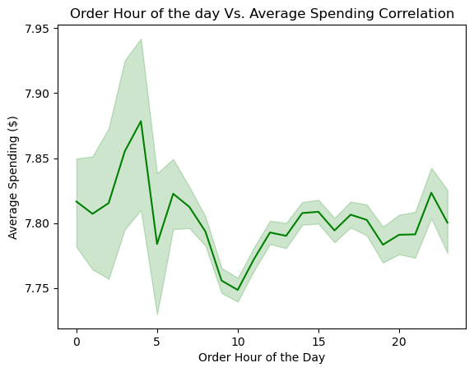
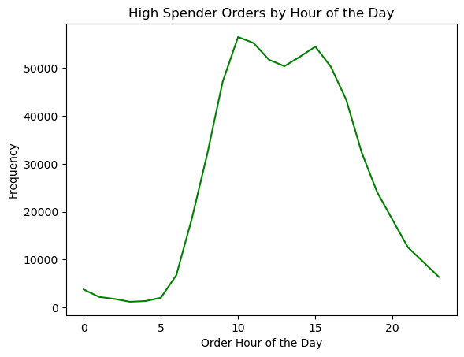
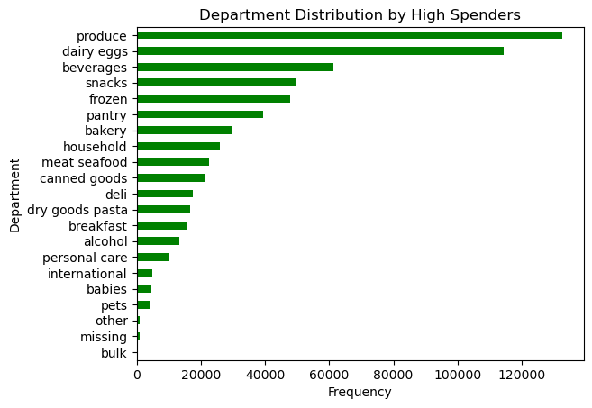

There are no significant insights among spending by the hour of the day, fluctuating only between $7.75 and $7.95.
High spenders account for the highest order frequency between 10 AM and 4 PM.
The high spenders' most frequent orders are from the 'Produce,' 'Dairy Eggs,' and 'Beverages' departments, respectively.

3. Instacart has a lot of products with different price tags. Marketing and sales want to use simpler price range groupings to help direct their efforts.

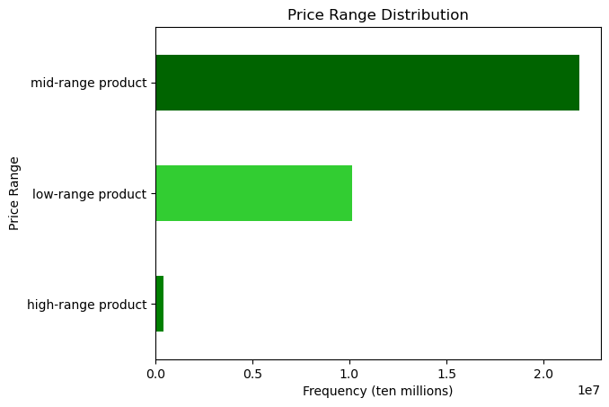
Low-range product : prices upto $5
Mid-range product : prices $5 - $15
High-range product : prices over $15

The majority of products fall within the mid-range price range, typically between $5 and $15, followed by the low-range and high-range products, respectively.

4. Are there certain types of products that are more popular than others? The marketing and sales teams want to know which departments have the highest frequency of product orders.

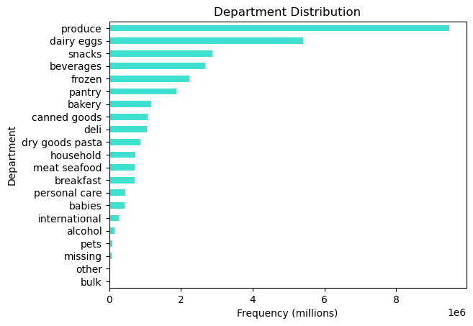

The 'Produce' department has the highest order frequency, followed by 'Dairy Eggs' and 'Snacks,' respectively.

5. The marketing and sales teams are particularly interested in the different types of customers in their system and how their ordering behaviors differ.

 | 5.1 What’s the distribution among users in regards to their brand loyalty (i.e., how often do they return to Instacart)?

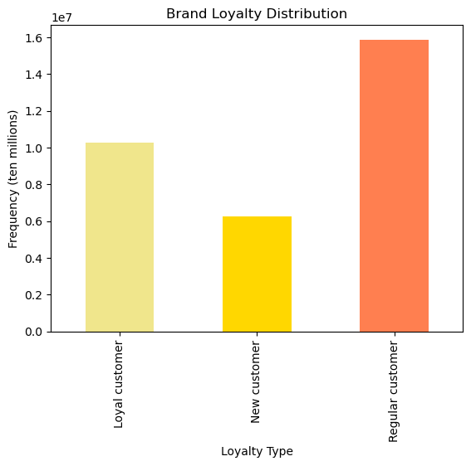
Loyal customer : Max. orders >40
Regular customer : Max. orders 10 - 40
New customer : Max. orders <10

Regular customers have the highest order frequency, followed by loyal customers and new customers, respectively.

 | 5.2 Are there differences in ordering habits based on a customer’s loyalty status?

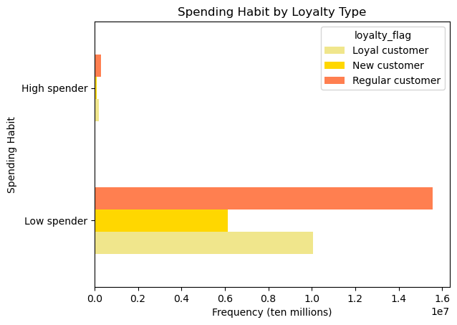
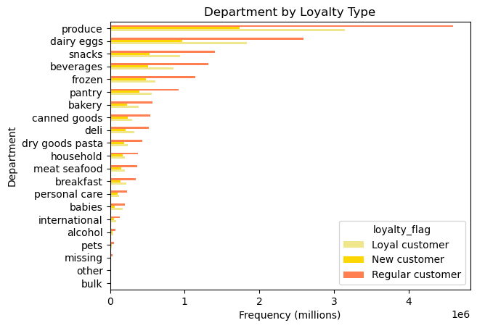

Low spender : Avg. product purchased price < $10
High spender : Avg. product purchased price > $10

Regular customers make up the majority of both low and high spenders, followed by loyalty customers.
Regular customers have the highest product consumption in every department.

 | 5.3 Are there differences in ordering habits based on a customer’s region?

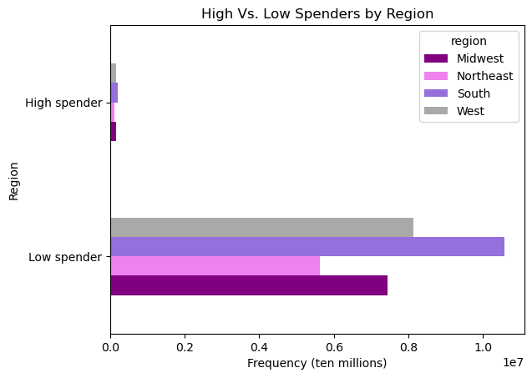
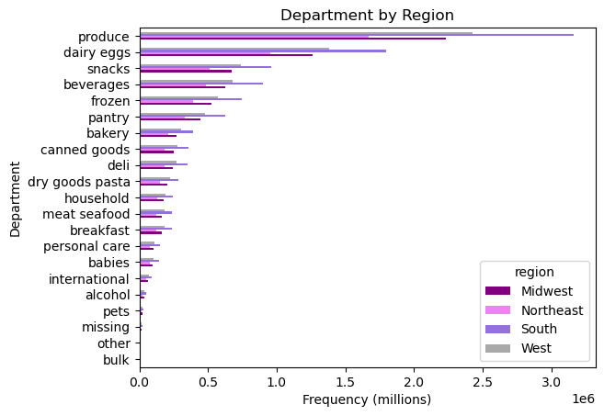
Low spender : Avg. product purchased price < $10
High spender : Avg. product purchased price > $10

The South region has the highest number of both "High spender" and "Low spender", while the Northeast region has the lowest counts of both spenders.
The South region has the highest product consumption in every department.

 | 5.4 Is there a connection between age and family status in terms of ordering habits?

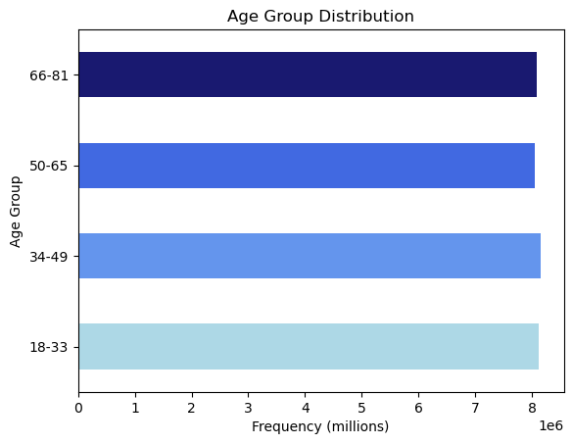
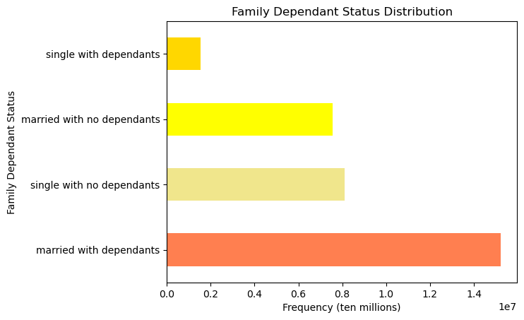

The order frequency does not significantly vary among age groups.
Customers who are married with dependents have the highest order frequency.

 | 5.5 What different classifications does the demographic information suggest? Age? Income? Certain types of goods? Family status?

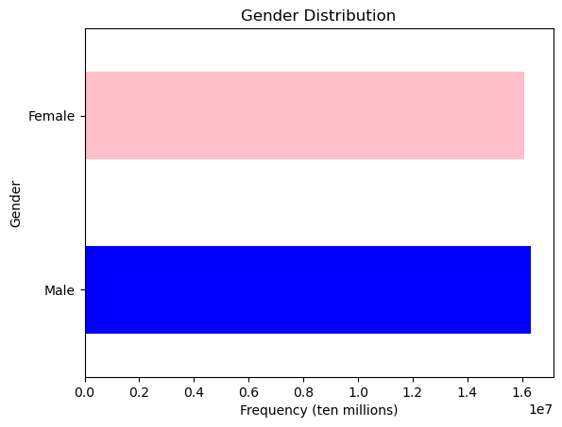
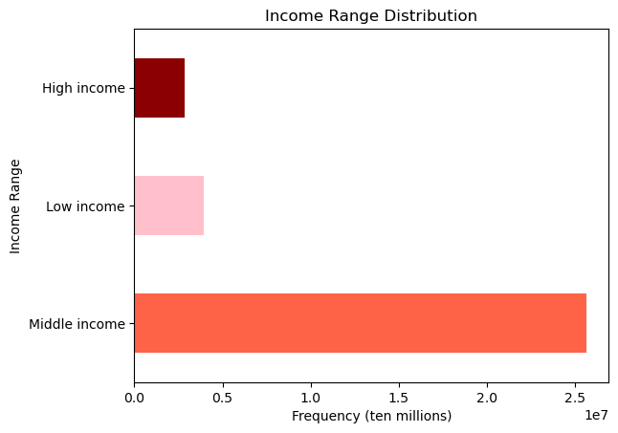

Low income :
< $52.2k
Middle income :
$52.2k - $156.6k
High income :
> $156.6k

Male customers place slightly more orders than female customers.
The bar chart displays demographic classification of the customers by income range.

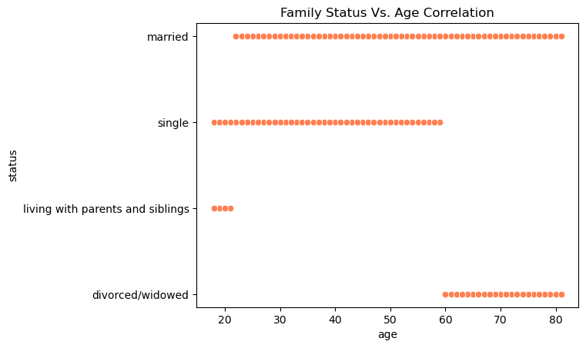

The bar chart displays demographic classification of the customers by family status.

 | 5.6 What differences can you find in ordering habits of different customer profiles? Consider the price of orders, the frequency of orders, the products customers are ordering, and anything else you can think of.

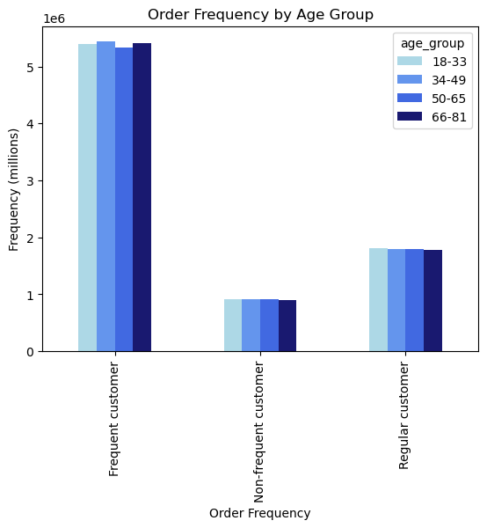
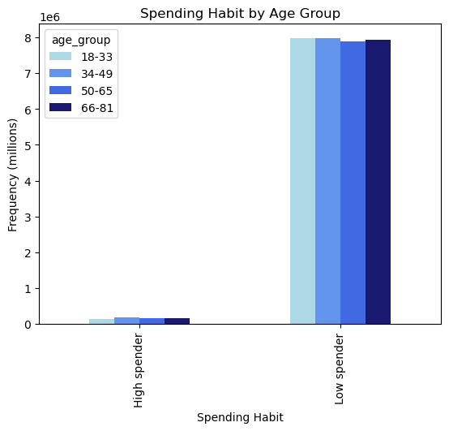
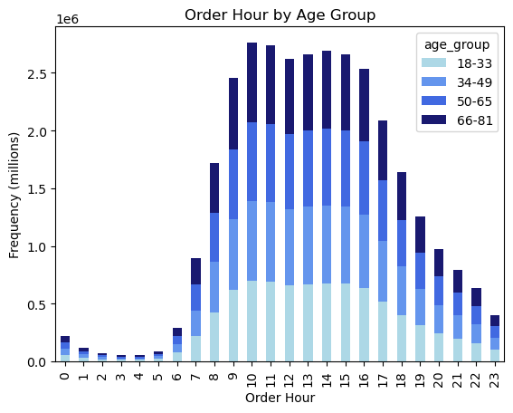

The majority of customers are frequent customers (the median of “days_since_prior_order” less than 10 days) among all the age groups.
The majority of customers among all the age groups are low spenders.
Among all the age groups, the period of the day between 10 AM and 4 PM accounts for the most orders.

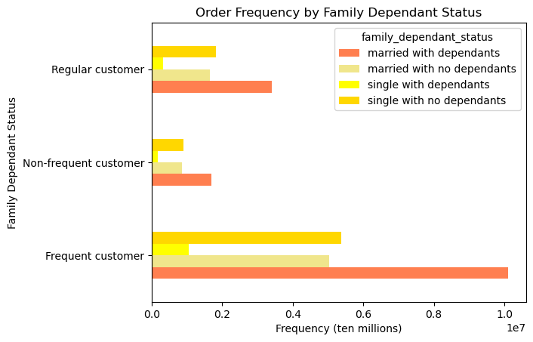
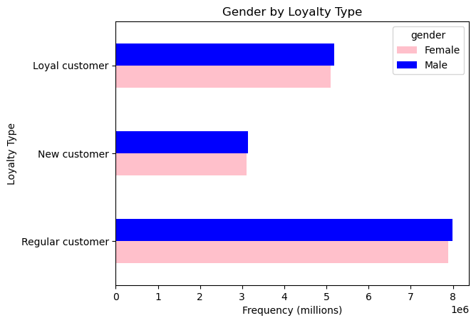
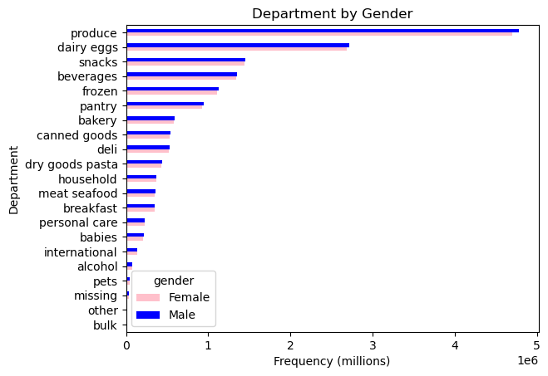

Customers who are married with dependents are the majority of frequent customers, followed by single with no dependants status.
Male customers are the majority of all loyalty types of customers compared to female customers.
Male customers order more frequently than female customers in all departments except 'alcohol.'

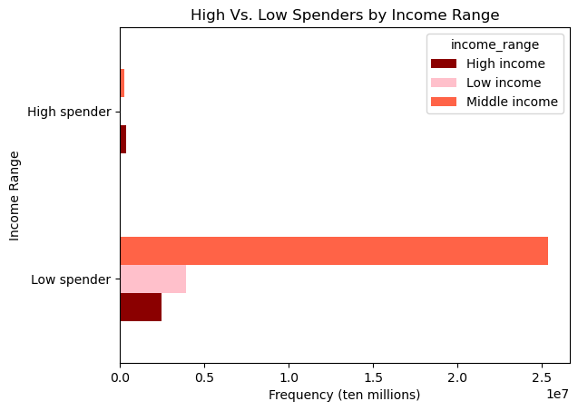
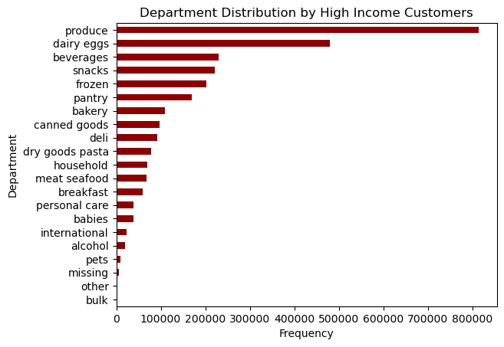

Customers with a middle-income range comprise the majority of low spenders, while those with a high-income range constitute the majority of high spenders.
The high income group' most frequent orders are from the 'Produce,' 'Dairy Eggs,' and 'Beverages' departments, respectively.

7. Recommendations
 |  | Title page

Recommendations

In this tab you should include any recommendations you would made to Instcart in terms of their marketing strategy based on the questions posed in the brief. Every key question has been covered in the Tasks of the Exercises - here you need to add an item - a visualisation or table/crosstable that is showing the answer in the data, acompanied by a comment from you. Please, list the questions below and add the answer underneath.

Question
1. The sales team needs to know what the busiest days of the week and hours of the day are (i.e., the days and times with the most orders) in order to schedule ads at times when there are fewer orders.

Observation: | The busiest days of the week are Saturday and Sunday, while the busiest hours of the day is during 10AM to 4PM.
 | On the other hand, the least busy days are Tuesday and Wednesday. And the least busy hours are during 11PM - 7AM.

Recommendation: | The marketing team can increase sales during off-peak days and times by implementing promotions or launching advertisements.

 | click here for the visualization

2. They also want to know whether there are particular times of the day when people spend the most money, as this might inform the type of products they advertise at these times.

Observation: | There are no noteworthy spending variations throughout the day, with fluctuations averaging between $7.75 and $7.95.
 | High spenders place the highest order frequency between 10 AM and 4 PM. Moreover, the high spenders' most frequent orders are from the 'Produce,' 'Dairy Eggs,' and 'Beverages' departments, respectively.

Recommendation: | Since there are no significant variations in the highest spending times of the day, the marketing team can concentrate on targeting high-spending groups whose orders
 | are frequent between 10 AM and 4 PM. And the most frequent orders are from the 'Produce,' 'Dairy Eggs,' and 'Beverages' departments, respectively.

 | click here for the visualization

3. Instacart has a lot of products with different price tags. Marketing and sales want to use simpler price range groupings to help direct their efforts.

Observation: | The majority of products fall within the mid-range price range, typically between $5 and $15, followed by the low-range and high-range products, respectively.

Recommendation: | In order to increase sales of high-range products, the marketing team can introduce pricing-based promotions, as the data indicates that customer behavior leans towards the mid-range price products.

 | click here for the visualization

4. Are there certain types of products that are more popular than others? The marketing and sales teams want to know which departments have the highest frequency of product orders.

Observation: | The 'Produce' department has the highest order frequency, followed by 'Dairy Eggs' and 'Snacks,' respectively.

Recommendation: | The marketing team can direct their efforts toward departments with lower rankings as listed. If we have access to price margins for individual products or departments,
 | we can offer more insights into which department has the potential to generate higher profits.

 | click here for the visualization

5. The marketing and sales teams are particularly interested in the different types of customers in their system and how their ordering behaviors differ.
5.1 What’s the distribution among users in regards to their brand loyalty (i.e., how often do they return to Instacart)?

Observation: | Regular customers (maximum order 10 to 40 orders) have the highest order frequency, followed by loyal customers and new customers, respectively.

Recommendation: | The marketing team can work on converting regular customers into loyal ones by focusing on implementing marketing campaigns specifically for this customer group.
 | To analyze further, if we have data about the timing of campaign launches, we can conduct a more detailed analysis to assess the effectiveness of each campaign.
 | This analysis could involve comparing the rate at which new customers transition into regular customers and regular customers transition into loyal customers in response to these campaigns.

 | click here for the visualization

5.2 Are there differences in ordering habits based on a customer’s loyalty status?

Observation: | Regular customers make up the majority of both low (average products purchased price less than $10) and high (average products purchased price less than $10) spenders.
 | Additionally, the distribution of order frequency among departments remains consistent across customer loyalty statuses, with regular customers
 | placing the majority of orders in every department, followed by loyal customers.

Recommendation: | The recommendation would be the same as the previous question, the marketing team can work on converting regular customers into loyal ones by focusing on
 | implementing marketing campaigns specifically for this customer group.

 | click here for the visualization

5.3 Are there differences in ordering habits based on a customer’s region?

Observation: | The South region has the highest number of both "High spender" and "Low spender", followed by the West and Midwest, while the Northeast region has the lowest counts of both spenders.
 | Furthermore, the order frequency distribution among departments remains uniform across regions. The departments with the highest order frequency ranking are 'Produce,'
 | 'Dairy Eggs,' and 'Snacks,' respectively.

Recommendation: | We would suggest the marketing team to concentrate on the South region which consist of the highest numbers of customers and high spenders.

 | click here for the visualization

5.4 Is there a connection between age and family status in terms of ordering habits?

Observation: | The order frequency does not significantly vary among age groups, from 18 - 81 years. However, customers who are married with dependents have the highest order frequency.

Recommendation: | The highest order frequency is observed among customers who are married with dependents, the marketing team can delve deeper into understanding the behavioral patterns
 | within this particular customer segment. Exploring the preferences, needs, and shopping habits of this group can offer valuable insights for tailoring marketing strategies to
 | better serve their requirements and enhance overall engagement.

 | click here for the visualization

5.5 What different classifications does the demographic information suggest? Age? Income? Certain types of goods? Family status?

Observation: | Male customers tend to place a slightly higher number of orders compared to female customers.
 | The income bracket of middle income, ranging from $52.2k to $156.6k, exhibits the highest order frequency.
 | The age range of customers with a married status spans from the early 20s to 80 years old, while those with a single status fall within the age range of 18 to 60 years.
 | Customers who live with parents and siblings are typically teenagers, and individuals with a divorced or widowed status tend to be between 60 and 80 years of age.

Recommendation: | Given the knowledge that customers with a married status exhibit the highest order frequency, the marketing team can focus on crafting tailored advertisements to target
 | this demographic. This group typically ranges in age from early 20s to 80 years old and falls within the middle-income range.

 | click here for the visualization

5.6 What differences can you find in ordering habits of different customer profiles? Consider the price of orders, the frequency of orders, the products customers are ordering, and anything else you can think of.

Observation: | Customer profiling based on age:
 | The majority of customers are frequent customers (the median of “days_since_prior_order” less than 10 days) among all the age groups.
 | The majority of customers among all the age groups are low spenders.
 | Among all the age groups, the period of the day between 10 AM and 4 PM accounts for the most orders.
 | Customer profiling based on family status:
 | Customers who are married with dependents are the majority of frequent customers, followed by single with no dependants status.
 | Customer profiling based on gender:
 | Male customers order more frequently than female customers in all departments except 'alcohol'.
 | Male customers are the majority of all loyalty types of customers compared to female customers.
 | Customer profiling based on income:
 | Customers with a middle-income range comprise the majority of low spenders, while those with a high-income range constitute the majority of high spenders.
 | The high income group' most frequent orders are from the 'Produce,' 'Dairy Eggs,' and 'Beverages' departments, respectively.

Recommendation: | - Since the order frequency does not significantly vary among all ages, the marketing team can target on customers who are married with dependents, followed by single with
 | no dependants status since they are the top two frequent customers.
 | - Because male customers make up the majority of both overall customers and loyal customers, the marketing team can consider introducing more products geared towards men and
 | conducting research on their shopping behavior
 | - Recognizing that the majority of high spenders belong to the high-income category, the marketing team can channel their efforts towards the top three departments where these customers
 | exhibit the highest order frequency. It's especially noteworthy to emphasize the third-ranking department, 'Beverages,' which holds the fourth position in terms of total customers.

 | click here for the visualization

